Black-Scholes
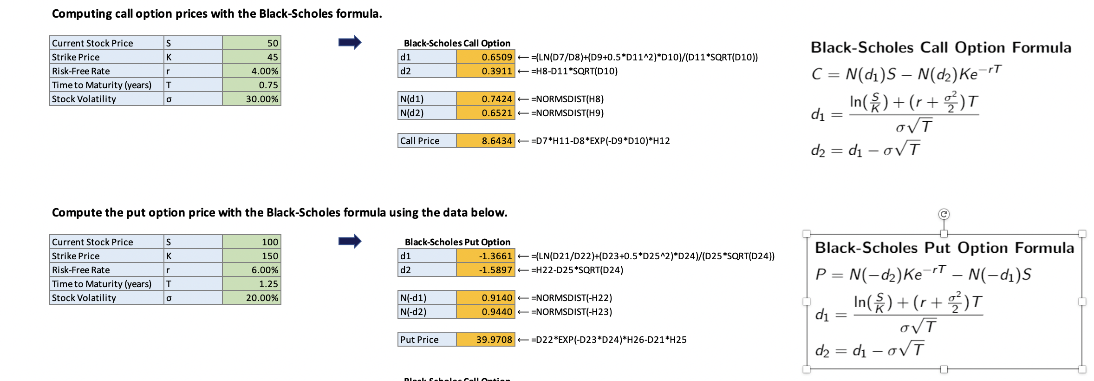
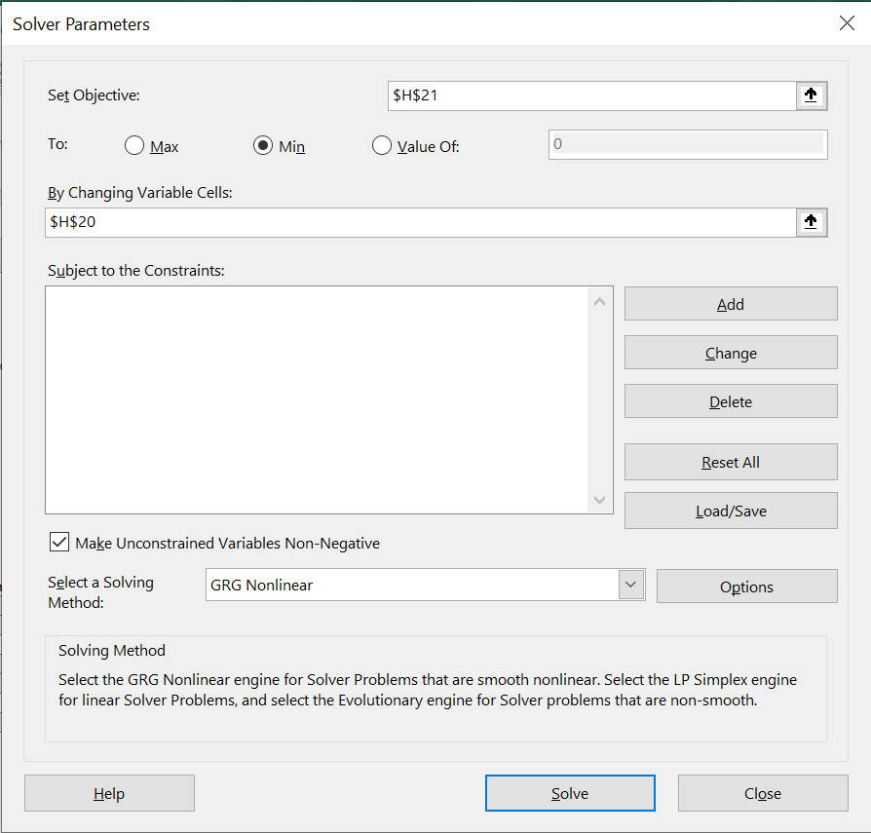
s

Black-Scholes

 | Computing call option prices with the Black-Scholes formula.

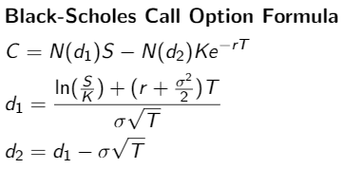
 | Current Stock Price | S | 50 | Black-Scholes Call Option
 | Strike Price | K | 45 | d1 | 0.6345 | #NAME?
 | Risk-Free Rate | r | 4.00% | d2 | 0.3345 | #NAME?
 | Time to Maturity (years) | T | 1
 | Stock Volatility | σ | 30.00% | N(d1) | 0.7371 | #NAME?
 |  |  |  | N(d2) | 0.6310 | #NAME?

 |  |  |  | Call Price | 9.5746 | #NAME?

 | Computing implied volatility from call option price.

 | Current Stock Price | S | 50 |  |  |  | Black-Scholes Call Option
 | Strike Price | K | 45 | Implied Volatility | 26% |  | d1 | 0.6826 | #NAME?
 | Risk-Free Rate | r | 4.00% | Objective | 0.00 | #NAME? | d2 | 0.4186 | #NAME?
 | Time to Maturity (years) | T | 1
 | Call Price | C | 9.00 |  |  |  | N(d1) | 0.7526 | #NAME?
 |  |  |  |  |  |  | N(d2) | 0.6622 | #NAME?

 |  |  |  |  |  |  | Call Price | 8.9960 | #NAME?

